Folha1
 | 10 | 0 | 0 | 0
 |  |  |  |  | Livre
 | 10 | 1 | 63 | 255
Rede A | 10 | 1 | 64 | 0 | /18
 | 00001010 | 00000001 | 01000000 | 00000000

A1 | 10 | 1 | 95 | 255 | /18
 | 00001010 | 00000001 | 01011111 | 11111111

A2 | 10 | 1 | 96 | 0 | /18
 | 00001010 | 00000001 | 01100000 | 00000000

Broadcast | 10 | 1 | 127 | 255 | /18
 | 00001010 | 00000001 | 01111111 | 11111111
 | 10 | 1 | 128 | 0
 |  |  |  |  | Livre

 | 10 | 4 | 16 | 63
Rede B | 10 | 4 | 16 | 64 | /26
 | 00001010 | 00000100 | 00010000 | 01000000 |  | 29 | Host
 |  |  |  |  |  | 2 | GW
B1 | 10 | 4 | 16 | 65 | /26 | 2 | Rede + Broadcast
 | 00001010 | 00000100 | 00010000 | 01000001 |  | 33
 |  |  |  |  |  | 64
 |  |  |  |  | /26 | 6
 | 00000000 | 00000000 | 00000000 | 00000000 |  | /26

Broadcast | 10 | 4 | 16 | 127 | /26
 | 00001010 | 00000100 | 00010000 | 01111111
 | 10 | 32 | 0 | 128
 |  |  |  |  | Livre

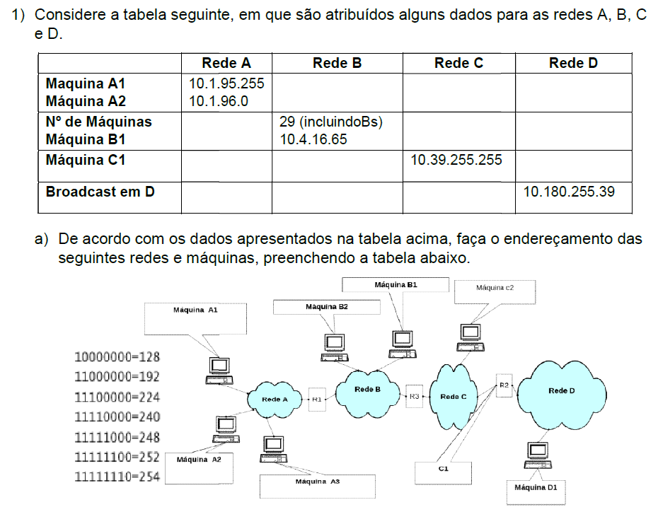

 | 10 | 31 | 255 | 255
Rede C | 10 | 32 | 0 | 0 | /12
 | 00001010 | 00100000 | 00000000 | 00000000 |  | 1 | Host
 |  |  |  |  |  | 2 | GW
C1 | 10 | 39 | 255 | 255 | /12 | 2 | Rede + Broadcast
 | 00001010 | 00100111 | 11111111 | 11111111 |  | 5
 |  |  |  |  |  | 8
 |  |  |  |  |  | 3
 | 00000000 | 00000000 | 00000000 | 00000000 |  | /29

Broadcast | 10 | 47 | 255 | 255 | /12
 | 00001010 | 00101111 | 11111111 | 11111111
 | 10 | 48 | 0 | 0

 |  |  |  |  | livre
 | 10 | 180 | 255 | 31
Rede D | 10 | 180 | 255 | 32
 | 00001010 | 10110100 | 11111111 | 00100000 |  | 3 | Host
 |  |  |  |  |  | 1 | GW
IP1 | 10 | 180 | 255 | 33 | 0 | 2 | Rede + Broadcast
 | 00001010 | 10110100 | 11111111 | 00100001 |  | 6
 |  |  |  |  |  | 8
Ipultm | 10 | 180 | 255 | 38 |  | 3
 | 00001010 | 10110100 | 11111111 | 00100110 |  | /29
 |  |  |  |  |  |  | Mask
Broadcast | 10 | 180 | 255 | 39 | 0 |  | 255 | 255 | 255 | 248
 | 00001010 | 10110100 | 11111111 | 00100111 |  |  |  |  |  | 11111000
 | 10 | 180 | 255 | 40
 |  |  |  |  | livre

 | 10 | 255 | 255 | 255

